Location Plan & Summary
Intelligent Data Collection Limited

Client: | Bristol City Council |  |  | Date of Survey: |  | 09.07.2015
Project Number: | ID02343 |  |  | Site Name: |  | Easton Road
Site Number: | ANPR Site 29 |  |  | Survey Type: |  | Two-way Link Count

X Coordinate |  | Y Coordinate |  |  | Google Maps Link
51.46055 |  | -2.568623 |  |  | Click Here
AM Peak Conditions |  | Inter-Peak Conditions |  |  | PM Peak Conditions
Clear and Sunny |  | Clear and Sunny |  |  | Clear and Sunny
Junction Layout

N

 |  |  |  |  |  | Arm B - Easton Road (N)

 |  |  | Arm A - Easton Road (S)

Aerial Mapping and On-site Camera View
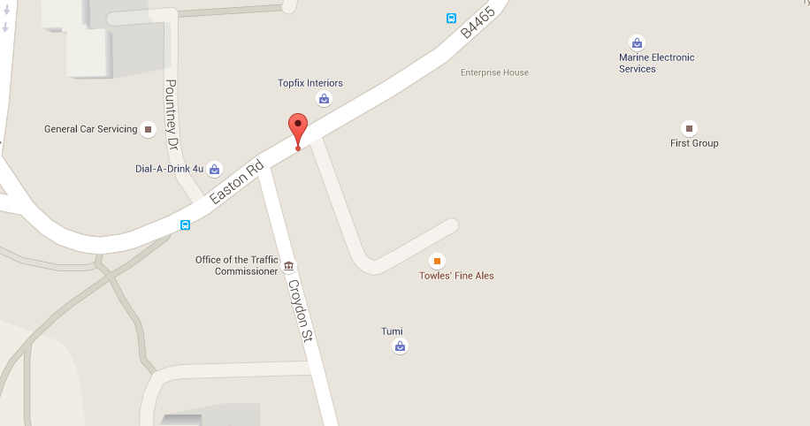

Arm B - Easton Road (N)

Arm A - Easton Road (S)

Junction Flow Profile
Arm Approach Flows (All Vehicles)
 | A to B (Northbound) | B to A (Southbound) | Two-way Total
7:00:00 | 20 | 159 | 179
7:15:00 | 24 | 149 | 173
7:30:00 | 47 | 141 | 188
7:45:00 | 32 | 169 | 201
8:00:00 | 44 | 194 | 238
8:15:00 | 49 | 158 | 207
8:30:00 | 56 | 172 | 228
8:45:00 | 54 | 160 | 214
9:00:00 | 48 | 166 | 214
9:15:00 | 54 | 181 | 235
9:30:00 | 48 | 161 | 209
9:45:00 | 66 | 126 | 192
10:00:00 | 59 | 134 | 193
10:15:00 | 44 | 114 | 158
10:30:00 | 52 | 127 | 179
10:45:00 | 57 | 116 | 173
11:00:00 | 47 | 110 | 157
11:15:00 | 52 | 97 | 149
11:30:00 | 59 | 118 | 177
11:45:00 | 66 | 116 | 182
12:00:00 | 77 | 130 | 207
12:15:00 | 72 | 129 | 201
12:30:00 | 62 | 111 | 173
12:45:00 | 78 | 122 | 200
13:00:00 | 75 | 137 | 212
13:15:00 | 69 | 137 | 206
13:30:00 | 56 | 135 | 191
13:45:00 | 70 | 131 | 201
14:00:00 | 68 | 119 | 187
14:15:00 | 58 | 135 | 193
14:30:00 | 67 | 140 | 207
14:45:00 | 83 | 136 | 219
15:00:00 | 103 | 135 | 238
15:15:00 | 110 | 123 | 233
15:30:00 | 98 | 134 | 232
15:45:00 | 106 | 167 | 273
16:00:00 | 93 | 120 | 213
16:15:00 | 115 | 140 | 255
16:30:00 | 105 | 132 | 237
16:45:00 | 122 | 116 | 238
17:00:00 | 124 | 136 | 260
17:15:00 | 131 | 106 | 237
17:30:00 | 116 | 120 | 236
17:45:00 | 115 | 130 | 245
18:00:00 | 115 | 128 | 243
18:15:00 | 102 | 127 | 229
18:30:00 | 99 | 141 | 240
18:45:00 | 79 | 147 | 226

Additional Notes (Factors which may impact on survey results such as accidents, roadworks, special events):

